Responsive Testing
Responsive Testing of login Functionality Site: http://www.automationpractice.pl/index.php

Functionlity ID | Functionality Name | Screen Resolation or Device Name | Screen Shot | Status
LOGIN PAGE
1 | Verify the Common Screen Resolutions for Desktop in 2024. Ensure that screen Resolution is user frendly or not. | 1920 X 1080 | 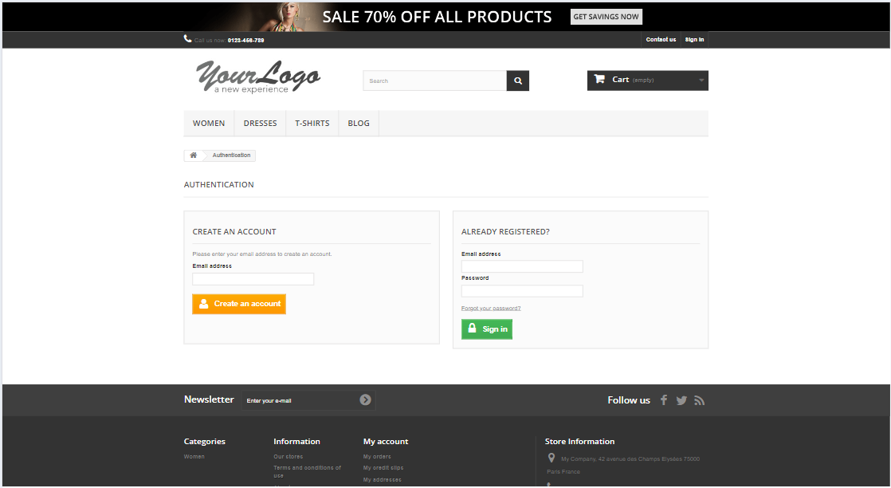 | pass

2 | Verify the Common Screen Resolutions for Desktop in 2024. Ensure that screen Resolution is user frendly or not. | 1366 X 768 | 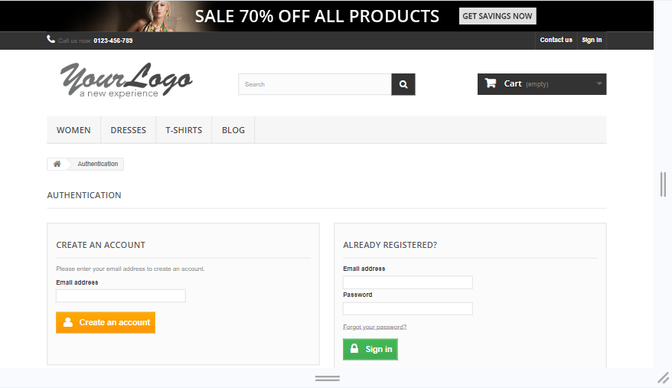 | PASS

3 | Verify the Common Screen Resolutions for Desktop in 2024. Ensure that screen Resolution is user frendly or not. | 1536 X 864 | 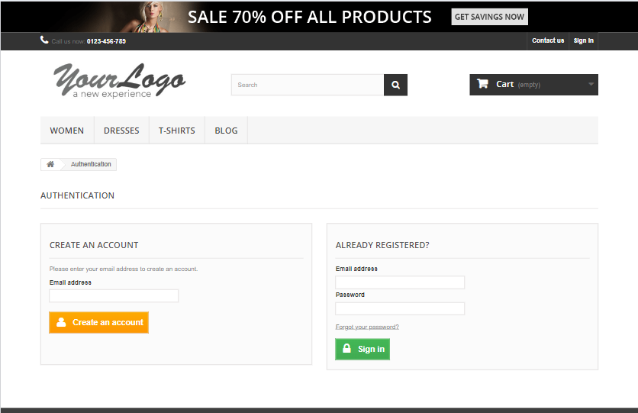 | pass

4 | Verify the Common Screen Resolutions for Desktop in 2024. Ensure that screen Resolution is user frendly or not. | 1024 X 668 | 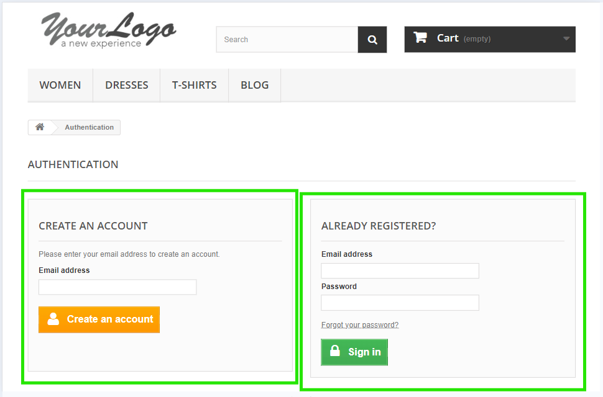 | pass

5 | Verify the Common Screen Resolutions for many Android phones in portrait mode. Verify that website interface is user frindely or not. | 360x640 | 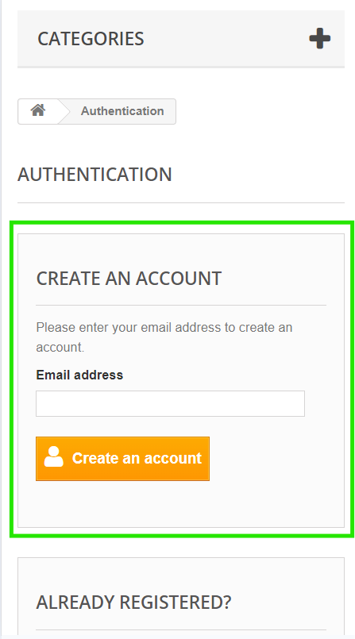 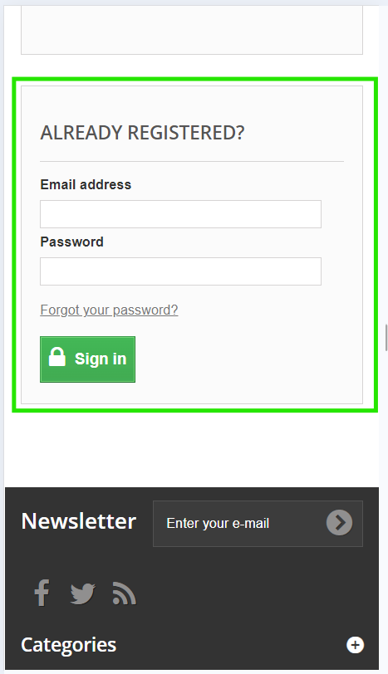 | pass

6 | Verify the Common resolution for older iPads and some Android tablets. To check that screen is user friendly or not. | 768x1024 | 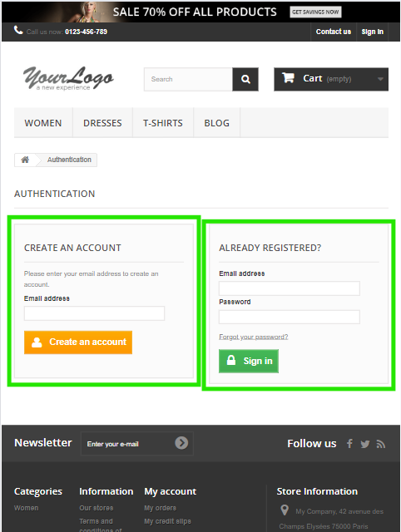 | pass

7 | Verify the screen resulutions for some higher resolution tablets, including some newer Android models and larger iPads. | 1200x1920 | 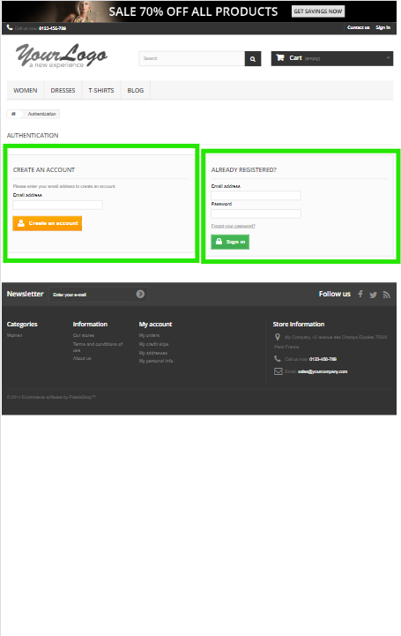 | pass

8 | Verify screen resolution in some popular smartphones. To ensure that the website interface is user friendly | Galaxy S23 iphone 15 google pixal 6 | 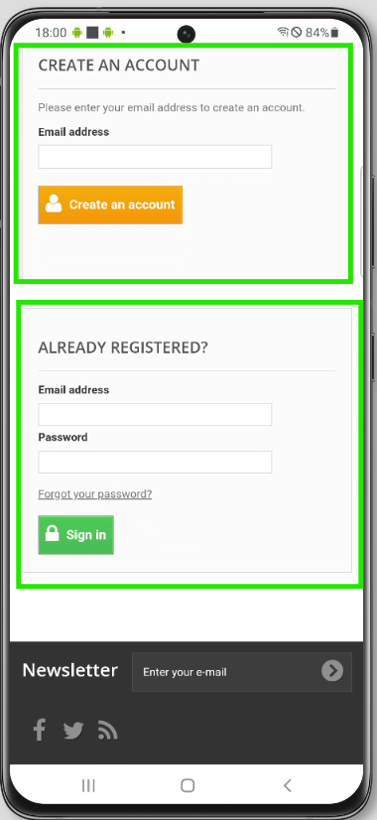 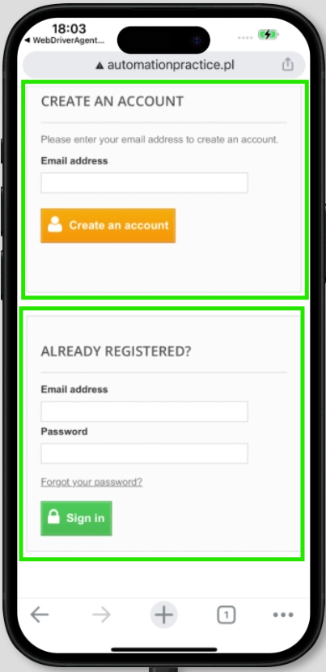 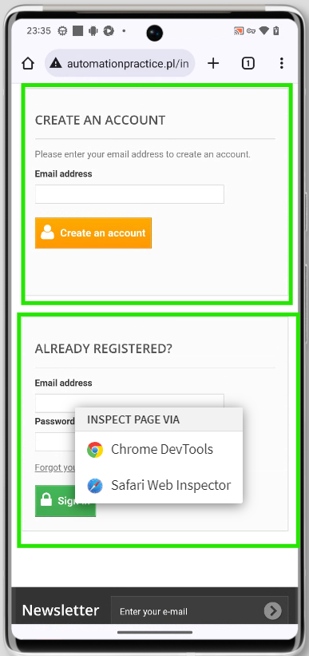 | pass

9 | Verify screen resolution in some popular Tablet. To ensure that the website interface is user friendly | iPad 10th Galaxy tab S9 | 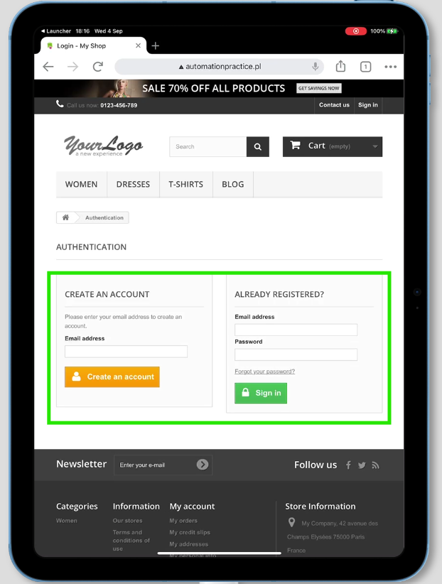 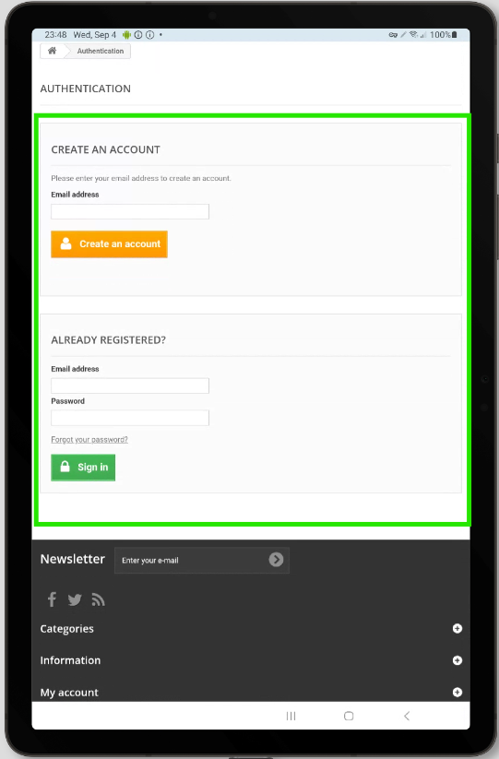 | pass
CART PAGE
10 | Verify screen resolution in some popular expensive smartphones. To ensure that the website interface is user friendly | Galaxy S23 Ultra iphone 15 google pixal 7 pro | 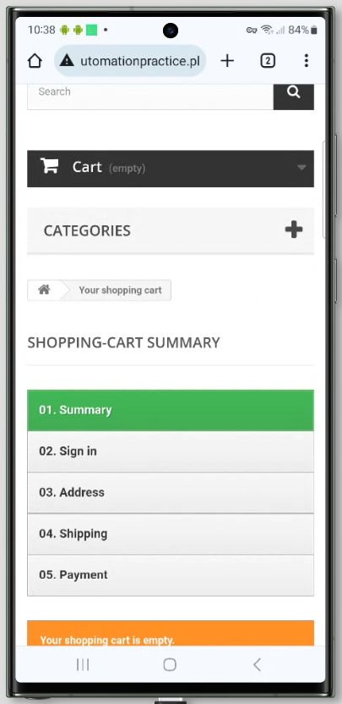 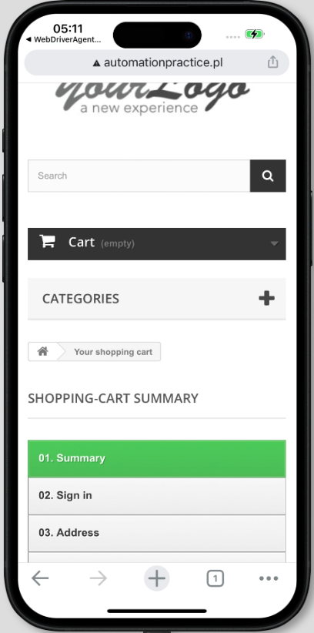 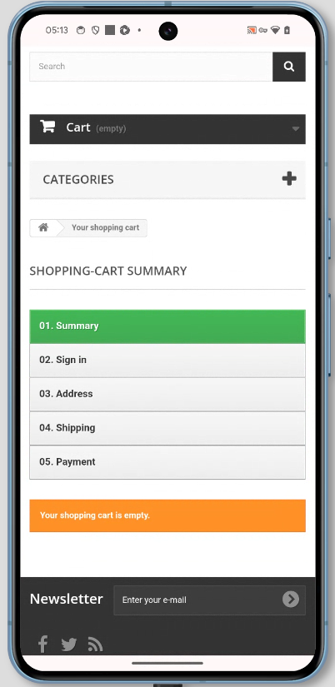 | pass

11 | Verify screen resolution in some popular averag cost smartphones. To ensure that the website interface is user friendly | oppo reno 8T 5G huawoi p30 vivo Y21 | 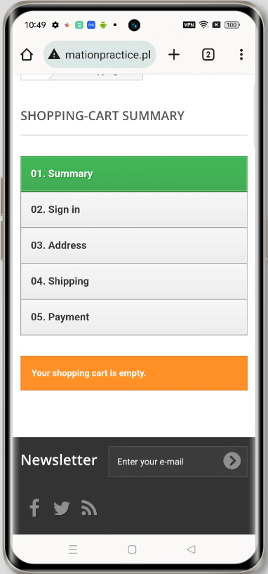 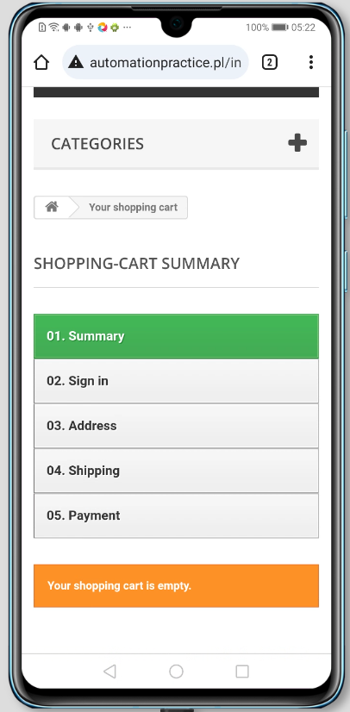 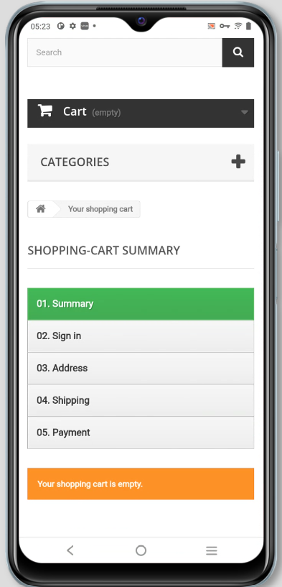 | pass

12 | Verify screen resolution in some popular Tablet. To ensure that the website interface is user friendly | ipad 8th galaxy tab s7 | 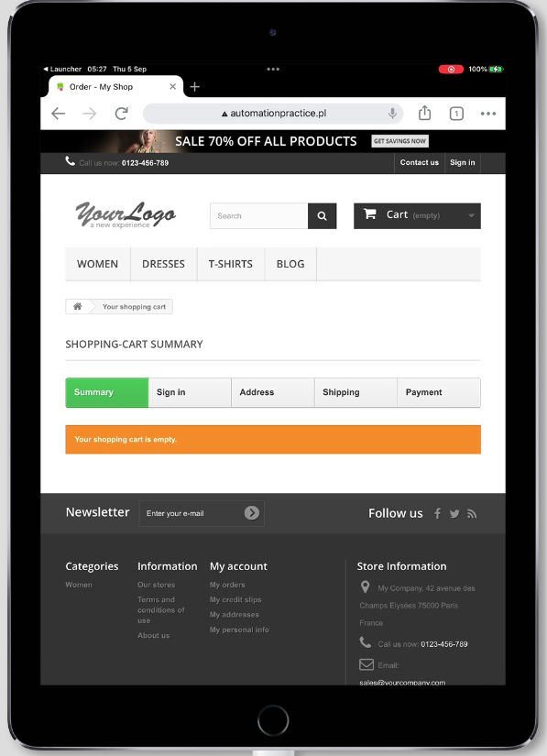 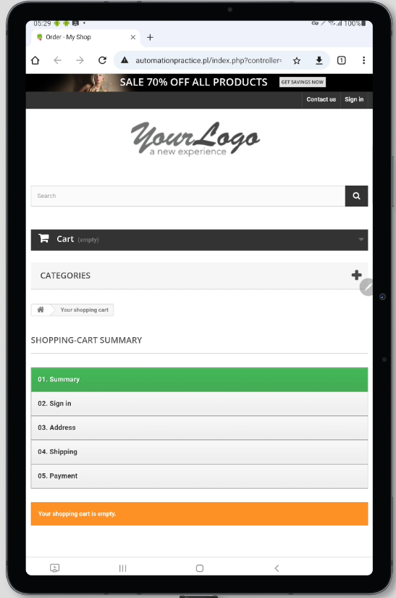 | pass

13 | Verify screen some resolution popular Desktop. To ensure that website interface is user friendly. | 1920x1080 | 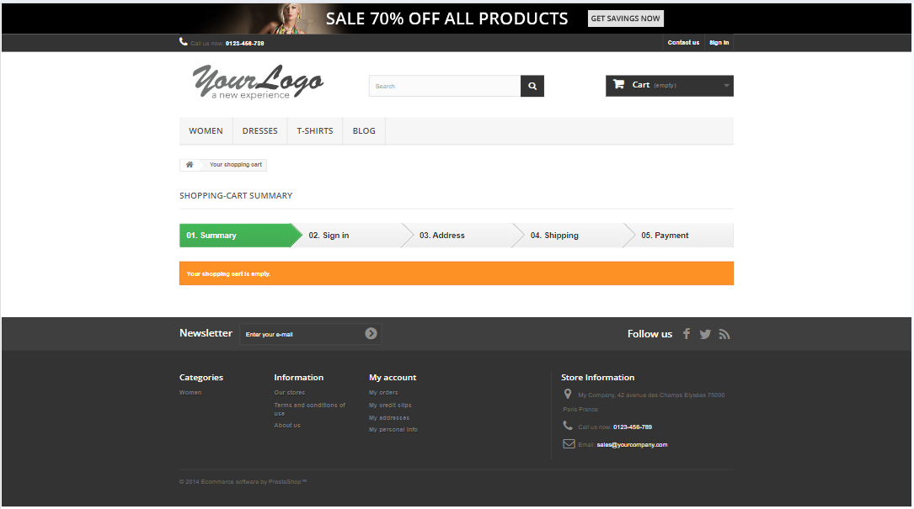 | pass

14 | Verify the Common Screen Resolutions for Desktop in 2024. Ensure that screen Resolution is user frendly or not. | 1366 X 768 | 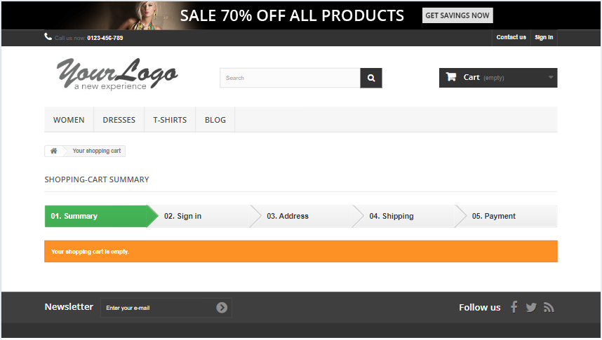 | pass

